Offical Scoresheet
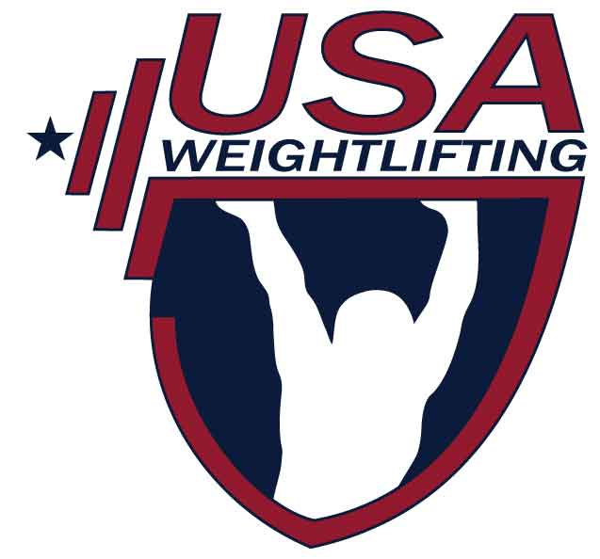
USA WEIGHTLIFTING
 |  |  |  |  |  |  |  |  |  |  |  |  |  |  |  |  |  | 1 Olympic Plaza
 |  |  |  |  |  |  |  |  |  |  |  |  |  |  |  |  |  | Colorado Springs, CO 80909
 |  |  |  |  |  |  |  |  |  |  |  |  |  |  |  |  |  | (719) 866-4508
The National Governing Body for Weightlifting in the United States
 |  |  |  |  |  |  |  |  |  |  |  |  |  |  |  |  |  | Fax (719) 866-4741
 |  |  |  |  |  |  |  |  |  |  |  |  |  |  |  |  |  | http://www.usaweightlifting.org
 |  |  |  |  |  |  | SCORESHEET |  |  |  |  |  |  |  |  |  |  | e-mail: usaw@usaweightlifting.org

 | Competition: |  |  | Qualifer for Under 25 Nationals (Closed Meet) |  |  |  |  |  | Location: |  |  | Crow Hill CrossFit, 1010 Dean Street, Brooklyn, NY
 | Date: |  |  | 2019-02-02 |  |  |  |  |  | Sanction #: |  |  | 60-19-198576
 | Group: |  |  | ALL |  |  |  |  |  | Meet Director: |  |  | Sara Soto

Lot |  |  |  | Weight | Name | Year of |  | Body | Snatch |  |  | Best |  | Clean & Jerk |  | Best
No. | Gndr | MemberID | Div | Class | (Please print legibly) | Birth | Team | Weight | 1 | 2 | 3 | Snatch | 1 | 2 | 3 | C&J | Total | Sinclair
 | F | 220112 |  | 64 | Cheryl Zhao | 1992 | Murder of Crows | 61.8 | 58 | -61 | 61 | 61 | 68 | 72 | 75 | 75 | 136 | 180.36
 | M | 202406 |  | 73 | Kaleb Burnett | 1987 | Murder of Crows | 69 | 81 | -85 | -85 | 81 | 100 | 105 | 108 | 108 | 189 | 251.23
 | M | 1029116 |  | 81 | Nick Pizzonia | 1994 | unaffiliated | 75.7 | 97 | 102 | 105 | 105 | 115 | -120 | -120 | 115 | 220 | 277.15
 | M | 1006444 |  | 81 | Brian Perez | 1991 | unaffiliated | 77.2 | 103 | 108 | -112 | 108 | -132 | 132 | -138 | 132 | 240 | 299.14
 | M | 1026099 |  | 109 | Giancarlo Gagot Escobar | 1996 | Murder of Crows | 103.3 | 110 | 115 | 118 | 118 | -135 | 138 | -143 | 138 | 256 | 280.6
 | M | 1024628 |  | 81 | Jan Dayleg | 1991 | Murder of Crows | 80.8 | 110 | 115 | -120 | 115 | 143 | -148 | -152 | 143 | 258 | 314.02

